Spending Plan
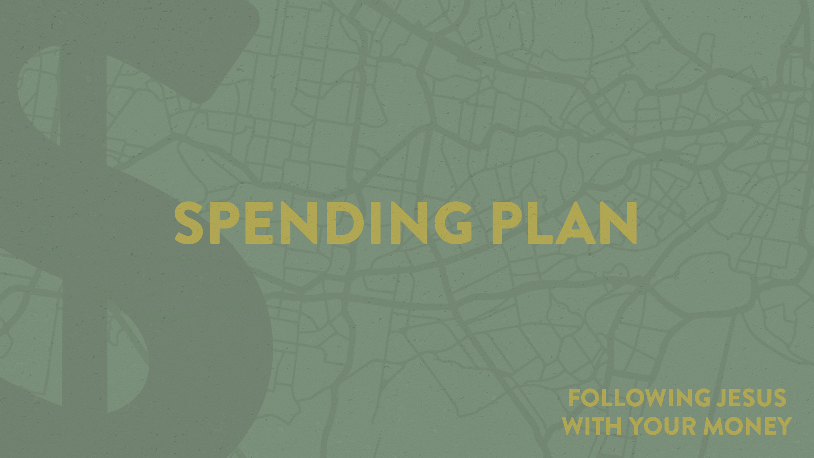

Spending Plan
1. | Income |  | $0
 |  | Income #1 |  | Monthly gross - before taxes
 |  | Income #2 | $0 | Monthly gross - before taxes
 |  | Other | $0 | Rental, investment

2. | Giving |  | $0
 |  | Church | $0
 |  | Other | $0

3. | Saving |  | $0
 |  | Emergency | $0
 |  | Retirement | $0 | 401-K, 403b, IRA
 |  | College | $0

4. | Taxes |  | $0
 |  | Federal | $0 | Use actual amount from pay stub
 |  | State | $0 | Use actual amount from pay stub
 |  | Social Security | $0 | Use actual amount from pay stub
 |  | Medicare | $0 | Use actual amount from pay stub

5. | Debt |  | $0
 |  | IRS | $0
 |  | Credit Card #1 | $0 | 3% of balance paid monthly (CCCS)
 |  | Credit Card #2 | $0 | Minimum monthly payment
 |  | Credit Card #3 | $0 | Minimum monthly payment
 |  | Credit Card #4 | $0 | Minimum monthly payment
 |  | Credit Card #5 | $0 | Minimum monthly payment
 |  | Car #1 | $0 | Minimum monthly payment
 |  | Car #2 | $0 | Minimum monthly payment
 |  | Student Loans | $0 | Minimum monthly payment
 |  | Other | $0 | Minimum monthly payment

6. | Housing |  | $0
 |  | Mortgage/Rent
 |  | Home Insurance | $0 | May be part of home mortgage
 |  | Property Taxes | $0 | May be part of home mortgage
 |  | Maintenance | $0
 |  | Electricity | $0 | Average for 12 months
 |  | Gas | $0 | Average for 12 months
 |  | Water | $0 | Average for 12 months
 |  | Trash | $0
 |  | Phone | $0
 |  | Association Dues | $0 | Average for 12 months.

7. | Transportation |  | $0
 |  | Auto Insurance | $0 | Average for 12 months
 |  | Registration/License | $0 | Average for 12 months
 |  | Gasoline | $0
 |  | Toll & Parking | $0
 |  | Oil & Maintenance | $0
 |  | Other | $0

8. | Insurance |  | $0
 |  | Health | $0
 |  | Dental | $0
 |  | Life | $0
 |  | Disability | $0
 |  | Other | $0

9. | Food & Household |  | $0 | Groceries and household items

10. | Health |  | $0
 |  | Fitness | $0 | Gym, Sports Leagues
 |  | Medical Expenses | $0 | Doctor, dentist, chiropractor, prescriptions
 |  | Counselor | $0
 |  | Other | $0

11. | Personal |  | $0
 |  | Child Care | $0
 |  | Education | $0 | Tuition & supplies (books, uniforms, etc.)
 |  | Beauty & Barber | $0 | Haircuts, nails, salon, spa
 |  | Clothes | $0
 |  | Household Décor | $0 | Furniture, decor, home improvements
 |  | Cell Phone | $0
 |  | Gifts | $0 | Christmas, birthday, anniversary
 |  | Cleaning | $0 | Dry cleaning, laundry, house cleaning
 |  | Financial Services | $0 | Tax prep, software, financial planning
 |  | Security System | $0
 |  | Pest Control | $0
 |  | Landscaping | $0 | Lawn service, plants, lawn care supplies
 |  | Pets | $0 | Food and care
 |  | Other | $0

12. | Entertainment |  | $0
 |  | Vacation | $0 | Family trips, summer activities
 |  | Eating Out | $0
 |  | Events | $0 | Movies, theater, shows
 |  | Reading | $0 | Books, magazines, newspaper
 |  | TV | $0 | Cable, satellite, Netflix, Hulu, equipment
 |  | Technology | $0 | Computer, peripherals, software
 |  | Internet | $0 | cable, satelite
 |  | Music | $0 | Records, downloads, satellite radio, Spotify
 |  | Other | $0

13. | Cash |  | $0

 | MARGIN |  | $0 | If negative, reduce expenses starting from the bottom and working up. If positive, roll into giving or saving.

