Vases
HOSTESS INVENTORY LIST
These are available for reserving through the Women's Ministry Office (See women's team to fill out reservation form and pick up items).
VASES
Item | Qty. | Description (W x H x D) | Clr/Mtrl. | Cost to Replace
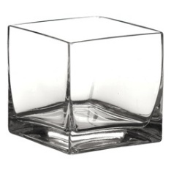 | 31 | 4" x 4" x 4" Vase | Glass | $3.00
 | 3 | 5" x 5" x 5" Vase | Glass | $5.00
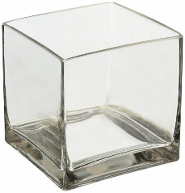 | 18 | 6" x 6" x 6" Vase | Glass | $10.00
 | 12 | 4.5" x 4.5" x 4.5" Rouned-edge Vase | Glass | $5.00
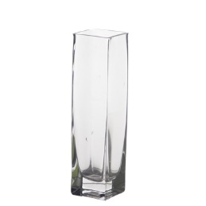 | 16 | 2" x 2" x 6" Vase | Glass | $5.00
 | 8 | 3" x 3" x 6" Vase | Glass | $6.00
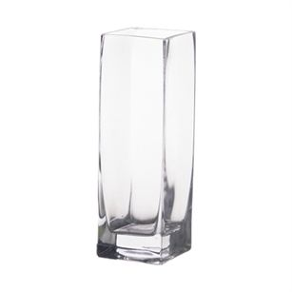 | 2 | 3.5" x 3.5" x 8" Vase | Glass | $6.00
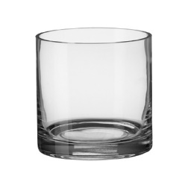 | 8 | 4" X 4"h Cylindrical Vase | Glass | $6.00
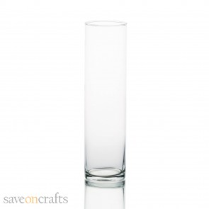 | 24 | 2.5" X 6" Cylindrical Vase | Glass | $3.00
 | 22 | 3.5" X 9" Cylindrical Vase | Glass | $4.00
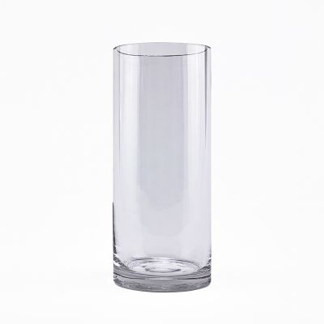 | 36 | 3.5" X 10" Cylindrical Vase | Glass | $4.00
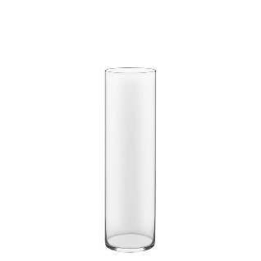 | 36 | 5" X 18" Cylindrical Vase | Glass | $18.00
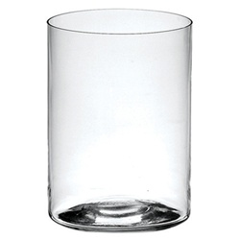 | 10 | 6" X 10" Cylindrical Vase | Glass | $8.00
 | 8 | 5" x 11.5" Open-end Hurricanes | Glass | $8.00
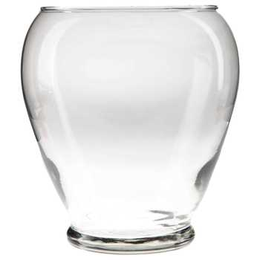 | 3 | 5.5" (at opening) x 7" Teardrop Vase | Glass | $5.00
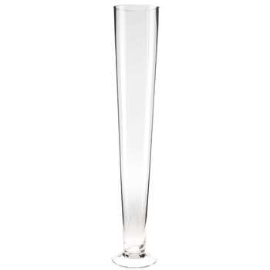 | 2 | 4.5" (at opening) X 16" Pilsner Vase | Glass | $15.00
 | 1 | 4" (at opening) x 16" Thick Glass Vase | Glass | $19.00
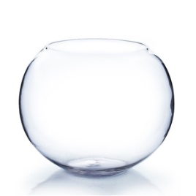 | 25 | 6" (at opening) x 7" Fishbowl | Glass | $3.00
 | 35 | 8" (at opening) x 3.5" Fishbowl | Glass | $4.00
 | 3 | 6.5" (at opening) x 3" Fishbowl | Glass | $9.00
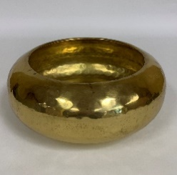 | 2 | 4" (at opening) x 3.5" Hammered Gold Vase | Metal/Gold fleck | $4.00
All items must be returned in the condition they were received in or they will be replaced with the borrowing ministry's budget.

Other Display pieces
HOSTESS INVENTORY LIST
These are available for reserving through the Women's Ministry Office (See women's team to fill out reservation form and pick up items).
OTHER: DISPLAY PIECES & SERVERWARE
Item | Qty. | Description (W x H x D) | Clr/Mtrl. | Cost to Replace
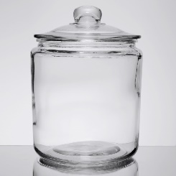 | 8 | 7.5" diam. X 8" candy jar with lid | Glass | $8.00
 | 6 | 9" diam. X 11" candy jar with lid | Glass | $10.00
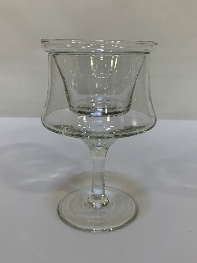 | 7 | Shrimp Cocktail stemware (can be used for votives) | Glass | n/a
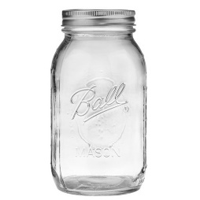 | 66 | 12 qt. Mason jar (7" h) | Glass | $2.00
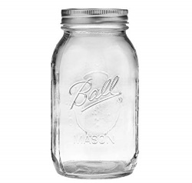 | 24 | 8 qt. Mason jar (5" h) | Glass | $2.00
 | 2 | 50"x15"x20" Easel Stand | Black Iron | $80.00
 | 21 | 3.75"x8" Wire Display Easels | Black Wire | $3.00
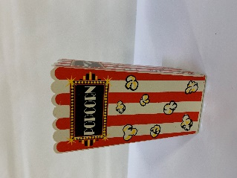 | 21 | Popcorn media vase | Plastic | n/a
 | 68 | Popcorn bucket 9"x7" | Plastic | n/a
 | 36 | Construction Hats | Plastic (per dozen) | $7.00
 | 35 | Construction Glasses | Plastic (per dozen) | $10.00
 | 36 | 6" clear paint bucket | Plastic | $3.00
 | 4 | 3-tier Serving Tray (white plates; black stand) | Ceramic | $20.00
 | 108 | Coka-cola 17 oz glass | Glass | $3.50
 | 11 | Coke float glass | Glass | $3.50
 | 264 | Gold charger | Plastic | $2.00
 | 8 | Bronze braided edge charger | Plastic | $2.00
 | 14 | Red straight edge charger | Plastic | $2.00
 | 39 | Red braided edge charger | Plastic | $2.00
All items must be returned in the condition they were received in or they will be replaced with the borrowing ministry's budget.
***Crystal & Sterling Silver collections available for special occassions. See Minister to Women to discuss.

Candles
HOSTESS INVENTORY LIST
These are available for reserving through the Women's Ministry Office (See women's team to fill out reservation form and pick up items).
 | CANDLES & HOLDERS
Item | Qty. | Description (W x H x D) | Clr/Mtrl.
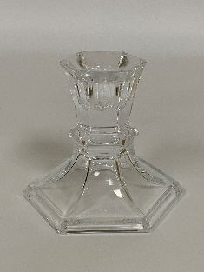 | 12 | 3" tall hexagonal base candlesticks | Glass
 | 43 | 4" tall round base candlesticks | Glass
 | 2 | 8" tall hexagonal base candlesticks | Glass
 | 219 | Small votive holders | Glass
 | 100 | Short votive holders | Glass
 | 9 | 4" Pillar candle | White
 | 10 | 6" Tapered pillar candle | White
 | 18 | 6" Pillar candle | White
 | 2 | 9" Pillar candle | White
 | 18 | 6x4 Pillar candle | White
 | 75 | 2x8 Candle | White & in Glass Container
All items must be returned in the condition they were received in or they will be replaced with the borrowing ministry's budget. Candles will be used until they are no longer feasible to keep or used up.

